1. Title Page
[Instacart Grocery Basket Analysis]

Project Name: Instacart Grocery Basket Analysis
Date: July 15, 2024
Analyst Name: Mark Sikos

Contents:
Population Flow
Consistency checks
Wrangling steps
Column derivations
Visualizations
Recommendations

Data Source:
“The Instacart Online Grocery Shopping Dataset 2017”, Accessed from https://www.instacart.com/datasets/grocery-shopping-2017 on November 10, 2022.
Customer data and the “prices” column in the products data set were fabricated for the purpose of this course.

2. Population Flow
Title page

Population flow

Exclusion flag
Condition: max_order < 5
Obervations to be removed: 1,440,295
Final total count of order_products_all: 32,404,859

Orders_products_combined
Orders_products_merged
Orders_products_all

Total: 32,404,859
Total: 32,434,489
Total: 32,404,859

1.) The grey boxes in the first row of the population flow represent the original data sets as they were when you downloaded them. In the Total fields you need to add the count of the rows when you imported the data set into Jupyter.
2.) The second row of boxes (coloured) represents the data sets after you manipulated them, e.g., removed missing values and duplicates. In the Total fields you need to add the count of the rows after conducting these operations. This offers a visual oveview of how the data flows throughout the data consistency checks.
3.) The third row, where also the arrows are coloured, represents the merges you performed between the datasets. In the Total fields you need to add the count of the rows in the merged datasets, so that you end up with the final dataset (in the red box). Keep in mind the final dataset should be without exclusions (based on the exclusion flag).

3. Consistency checks
 |  |  |  | Title page
Consistency checks

Dataset | Missing values | Missing values treatment | Duplicates
orders | days_since_last_order (206,209 missing values) | I did nothing with the missing values. All missing values were left in the dataframe. | No duplicates
products | product_name (16 missing values) | Missing values were exported into their own dataframe | 5 duplicates were identified and dropped from the dataframe.
orders_products_prior | None | N/A | No duplicates
customers | first_name (11,259 missing values) | First and last names should be removed due to PII concerns. | No duplicates

4. Wrangling steps
 |  |  |  | Title page
Wrangling steps

Columns dropped | Columns renamed | Columns' type changed | Comment/Reason
eval_set |  |  | Did not contain information relevant to this analysis
_merge |  |  | Column was created when merging different datasets together
 | First Name |  | Changed to first_name for uniform column look of column labels
 | Surnam |  | Changed to last_name for uniform look of column label and easier understanding
 | STATE |  | Changed to lower case for uniform look of column labels
 | GENDER |  | Changed to lower case for uniform look of column labels
 | AGE |  | Changed to lower case for uniform look of column labels
 | fam_status |  | Changed to be more understandable
 | n_dependants |  | Changed to be more understandable
first_name |  |  | Dropped due to PII concerns
last_name |  |  | Dropped due to PII concerns
 | order_dow |  | Changed to be more understandable

5. Column derivations
 |  |  |  | Title page

Column derivations and aggregations

In this tab you should add tables below that the frequences of flags/label variables that you produced after deriving them. NB: don't do this for continuous variables, only for flags.
Dataset | New column | Column/s it was derived from | Conditions
ords_prods_merge | price_range_loc | pricing | If price <=5, then low-range product. If else price > 5 and <= 15, then mid-range product. If else price > 15, then high-range product.
 | busiest_day | orders_day_of_week | If day 0 then busiest day. If day 4 then least busy day. If else, then regularly busy.
 | busiest_days | orders_day_of_week | If day 0 or 1 then busiest days. If day 4 or 3 then slowest days. If else, then regularly busy days.
 | busiest_period_of_day | order_hour_of_day | If hour of day < list_quantile[2] then fewest orders. If else hour of day >= list_quantile[2] and <=list_quantile [1] then average orders. If else hour of day >=list_quantile [1] then most orders.
 | max_order | max of user_id and order_number | Maximum number of orders
 | loyalty_flag | max_order | If max_order > 40 then loyal customer. If max order <=40 and > 10 then regular customer. If max order <= 10 then new customer.
 | spending_average | mean of user_id and prices | Average prices of products ordered by user
 | type_of_spender | spending_average | If avg price < 10 then low spender. If avg price >=10 then high spender.
 | user_frequency | median of user_id and days_since_last_order | Median number of days since prior order
 | customer_frequency_type | user_frequency | If median_days_since_prior_order > 20, then non frequent customer. If median_days_since_prior_order <=20 and >10, then regular customer. If median_days_since_prior_order <=10 then frequent customer.
instacart_final | region | state | Northeast=['Maine','New Hampshire','Vermont','Massachusetts','Rhode Island','Connecticut','New York','Pennsylvania','New Jersey'] Midwest=['Wisconsin','Michigan','Illinois','Indiana','Ohio','North Dakota','South Dakota','Nebraska','Kansas','Minnesota','Iowa','Missouri'] South=['Delaware','Maryland','District of Columbia','Virginia','West Virginia','North Carolina','South Carolina','Georgia','Florida','Kentucky', 'Tennessee','Mississippi','Alabama','Oklahoma','Texas','Arkansas','Louisiana'] West=['Idaho','Montana','Wyoming','Nevada','Utah','Colorado','Arizona','New Mexico','Alaska','Washington','Oregon','California','Hawaii']
 | Income_group | income | If income <=50000 then low . If income >=50000 and income <= 100000 then middle . If income >=100000 then high .
 | age_group | age | If age <=25 then young adult. If age>25 & <45then adult, if age >= 45 &<65 then Older adult. If age >=65 then senior.
 | dependent_flag | number_of_dependents | If number of dependents > 0, then has dependents. If number of dependents =0 then no dependents.
 | department | department_id | data dictionary from departments_wrangled

6. Visualizations
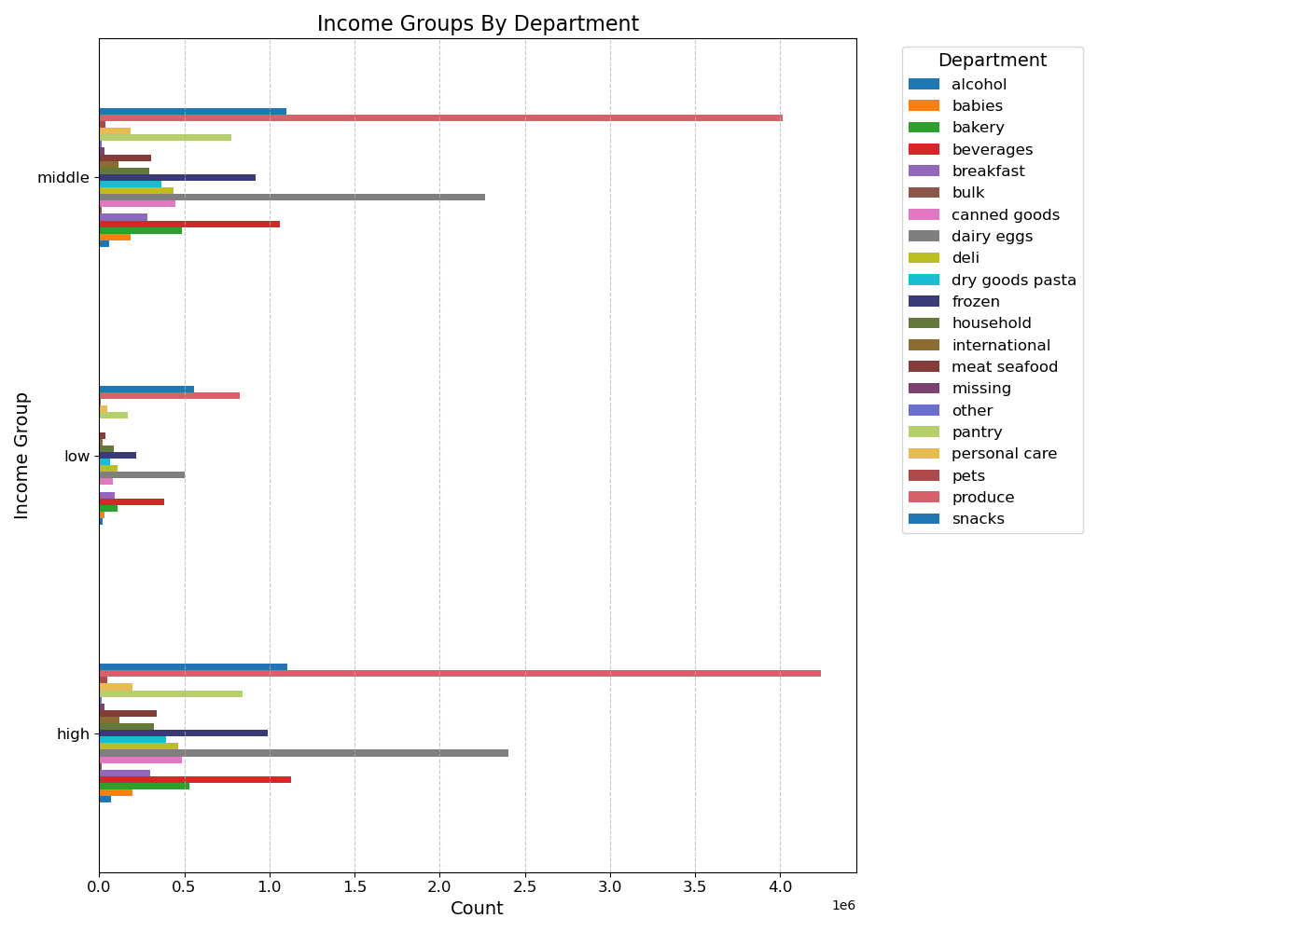
 |  |  |  |  |  |  |  | Title page

Visualisations

In this tab you should include all the visualtions from Exercises 4.9 and 4.10, alongside the questions from the project brief that they answer. Include any commentary on the relationship between different variables.

1 | The sales team needs to know what the busiest days of the week and hours of the day are (i.e., the days and times with the most orders) in order to schedule ads at times when there are fewer orders.

 |  | Number of orders by Day of Week |  |  |  |  | Prices by Hour of Day




 |  |  |  | Legend |  |  |  |  | Distribution of Orders by Hour of the Day The histogram illustrates the distribution of Instacart orders across hours of the day. Here are some key observations: - There is a clear peak in order activity during the mid-morning to early afternoon hours (9 AM to 3 PM), with the highest number of orders occurring at 10 AM. - Order activity starts to increase significantly from 7 AM, reaching its peak between 9 AM and 3 PM. - After 3 PM, the number of orders gradually decreases, with a notable decline from 5 PM onwards. - The lowest order volumes are observed in the early morning hours (midnight to 6 AM), with the least activity around 3 AM. This distribution suggests that Instacart's customers are most active during typical waking hours, particularly around mid-morning to early afternoon. This information can be valuable for optimizing staffing and operational planning to handle peak times efficiently.
 |  |  |  | # | Day
 |  |  |  | 0 | Saturday
 |  |  |  | 1 | Sunday
 |  |  |  | 2 | Monday
 |  |  |  | 3 | Tuesday
 |  |  |  | 4 | Wednesday
 |  |  |  | 5 | Thursday
 |  |  |  | 6 | Friday

 |  |  |  | The busiest days of the week are Saturday and Sunday between the hours of 8 am to 4 pm. The least busy day is Wednesday between the hours of 2 am to 5 am.

2. They also want to know whether there are particular times of the day when people spend the most money, as this might inform the type of products they advertise at these times

 |  |  | Prices by Order per Hour of Day Placed
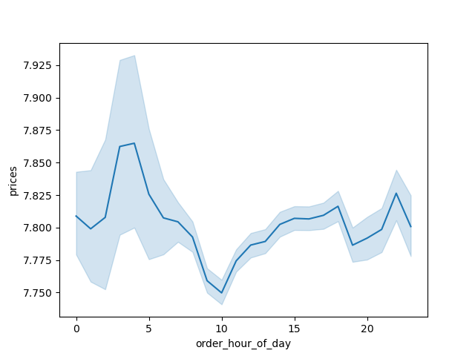

 |  |  |  | People spend the most money during the hours of 8am to 4pm. 9 am is when people spend the most money. Therefore, Instacart should utilize those times to advertise specific products.

3 | Instacart has a lot of products with different price tags. Marketing and sales want to use simpler price range groupings to help direct their efforts

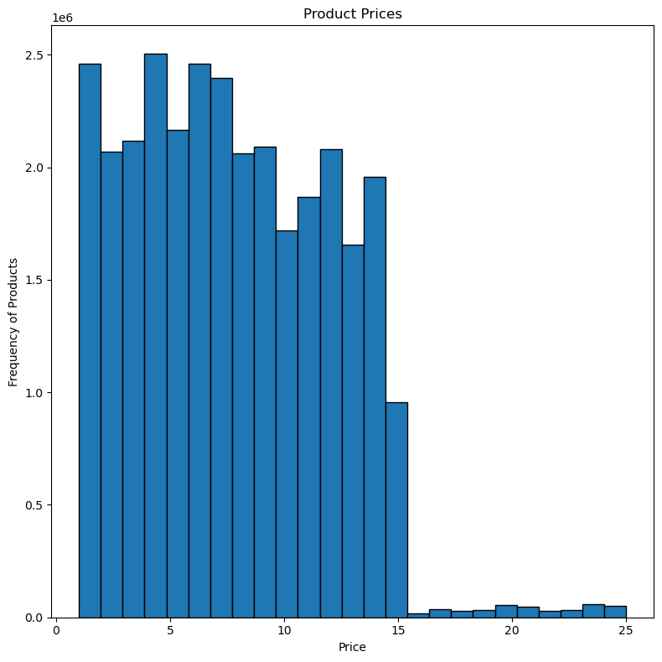
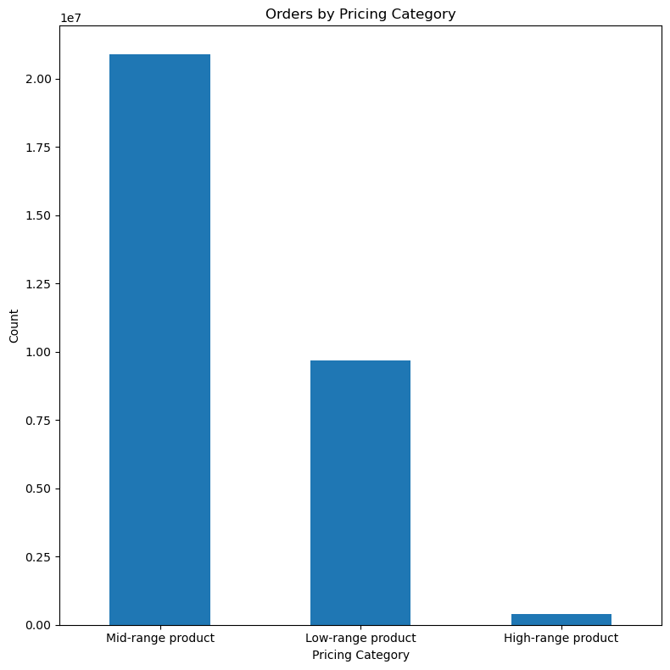

Note: Based on the bar chart to the right, Instacart customers prefer items in the mid-range to low-range price category.
The histogram to the left shows that products tend to fall in the $5 to $15 price range, which correlated with the mid-range products having the most sales.

i

4 | Are there certain types of products that are more popular than others? The marketing and sales teams want to know which departments have the highest frequency of product orders.
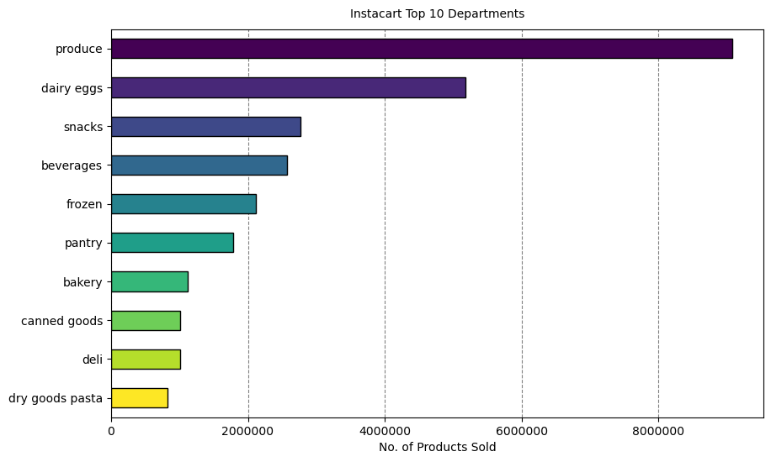

 |  |  |  |  |  |  | The bar chart shows the most popular products (by far) come from produce. The next most ordered from departments are dairy/eggs, snacks, beverages, and frozen. Note: Individual produce products would likely be ordered many at a time (apples, avocados, etc.), while other items aren't as likely to be wordered several at a time.

5 | What’s the distribution among users in regards to their brand loyalty (i.e., how often do they return to Instacart)?
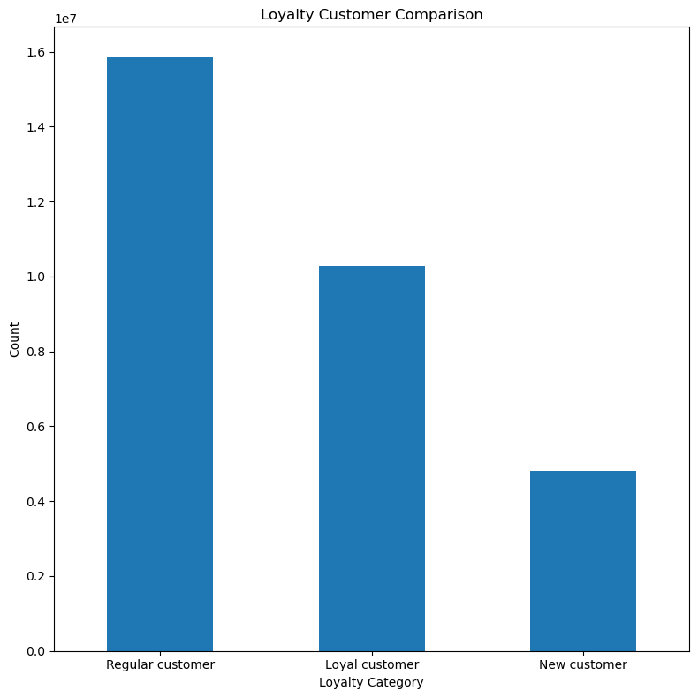

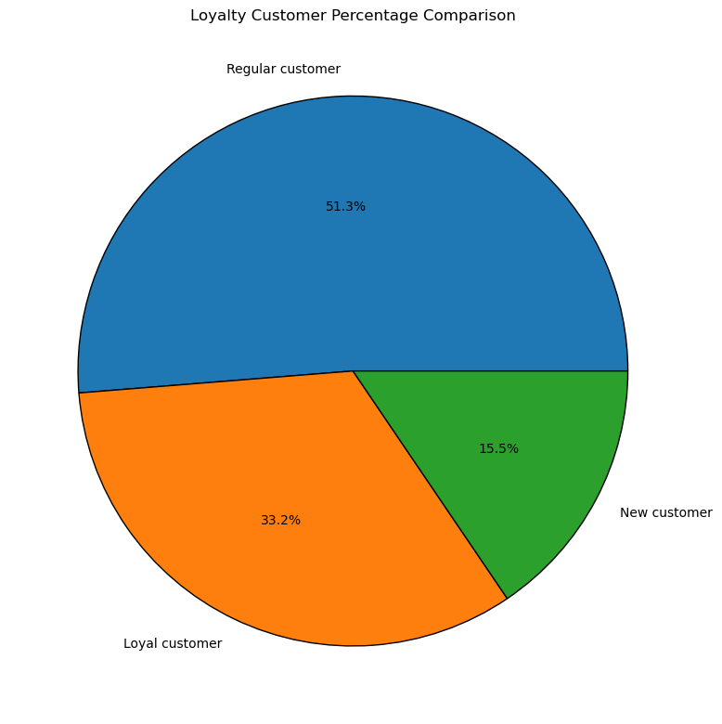

Note: Based on these graphs, it appears that 51% of Instacart customers fall into the regular customer loyalty group and return to Instacart with some frequency, but not enough to be considered a loyal customer.
Loyal customers make up 33.2% of Instacart's customer base and return on a frequent basis.
The smallest segment is new customers at 15.5%, which can represent a decent flow of new customers who may become regular or lotal customers in the future.

6 | Are there differences in ordering habits based on a customer’s loyalty status?

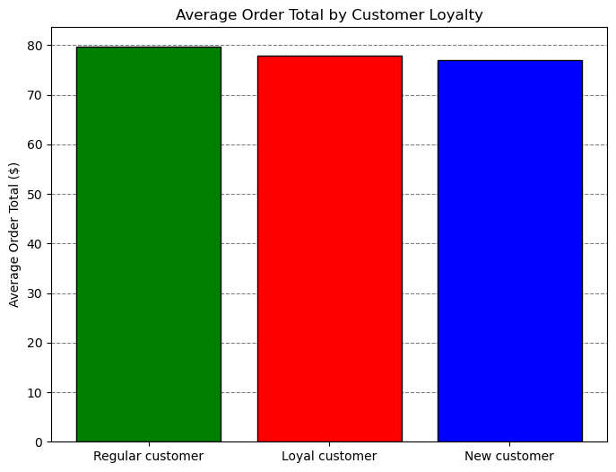
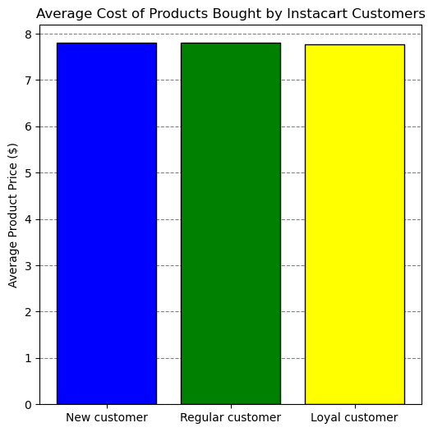

 |  |  |  |  | Note: The graphs show that the average order total and average product price are almost equal between each loyalty group. We can infer that loyalty status is not an indicator of specific ordering habits. Though further analysis would be needed to investigate other ordering habits.

7 | Are there differences in ordering habits based on a customer’s region?
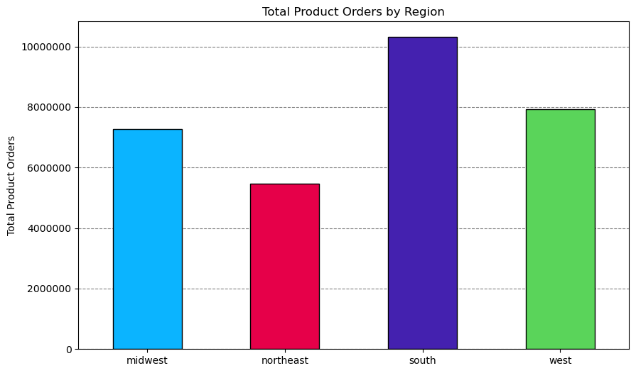
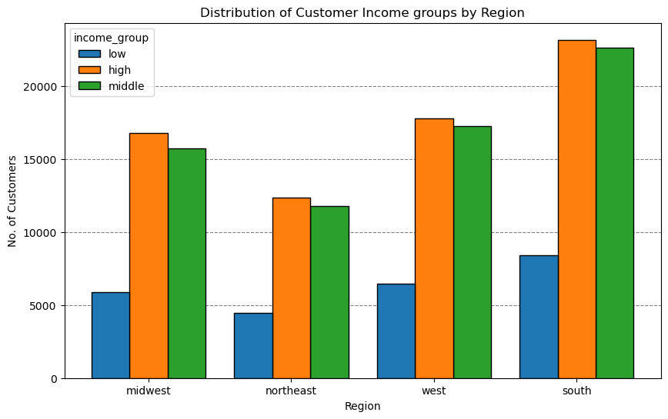

 |  |  |  |  |  | The charts show that department sales are proportional across regions. More products have been purchased in southern states because of the increased population of those states.

 |  |  |  |  |  | The chart on the left shows that the high Income group in all the four region contribute more when compared to low in come group .

8 | Is there a connection between age and family status in terms of ordering habits?

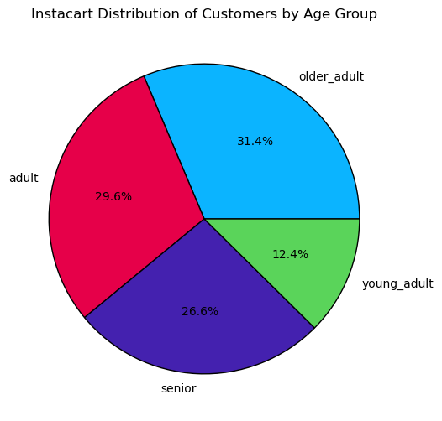
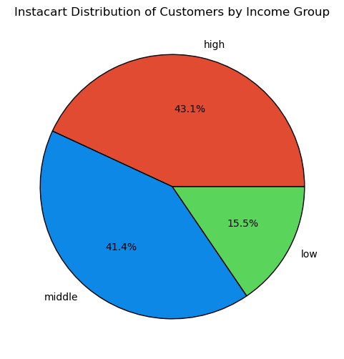
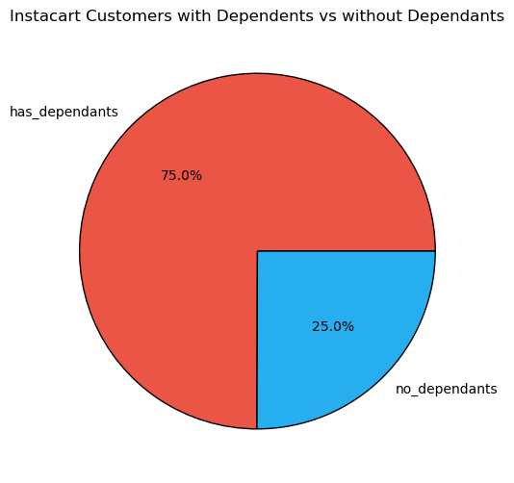
The pie charts show the breakdown of instacart's customers by 3 different variables:
Age: The age group categories are based typical socially accepted age groups and age ranges young adult, adult, older adult, and senior citizen.
Income: The income groups were based on distributions of household incomes in the U.S. during 2022 .
Most of instacart's customers fit into the high and middle income categories.
Dependents: This category is based on whether a customer has a dependent(s) .
Mostcustomers have a dependent(s) (75%).

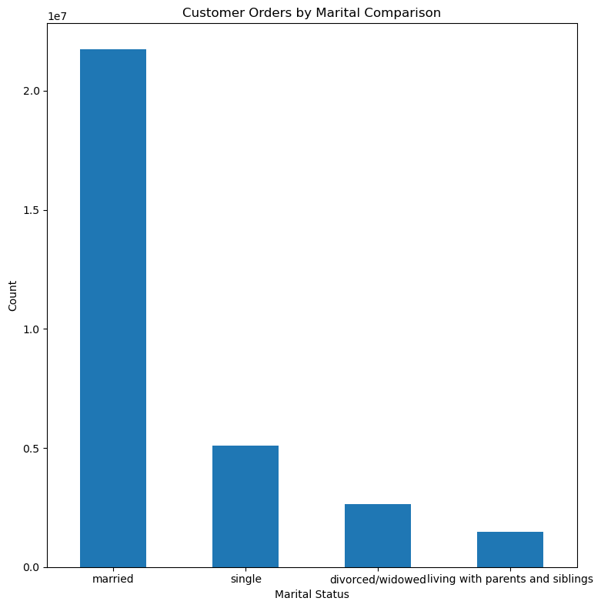



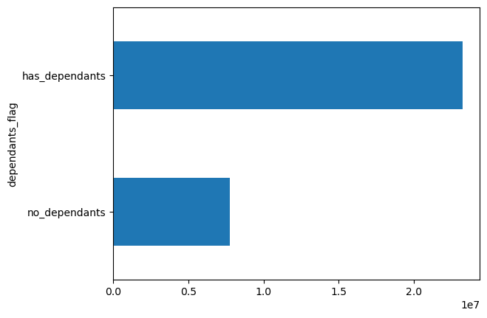

As seen in the scatterplot above, there is a positive correlation between age and income with the older a person becomes the more they will earn. Based on the scatterplot, there is a large concetration of customers across all ages that earns up to 200,000 and customers who are 40 years and older are earning up to 600,000. So, customers who are 40 years and older might spend more because of their higher income.
There is no correlation betweem age and the number of dependents.

In the bar chart above, the top line represents customers with dependants and the bottom line is customers without dependants. The chart clearly illustrates that most of Instacart's customers have dependants.
Most Instacart customers are married, followed by single individuals, divorced or widowed people, and finally people living with parents and siblings.

9 | What differences can you find in ordering habits of different customer profiles? consider the price of orders, frequency of orders, products customers are ordering, and anything else you can think of.

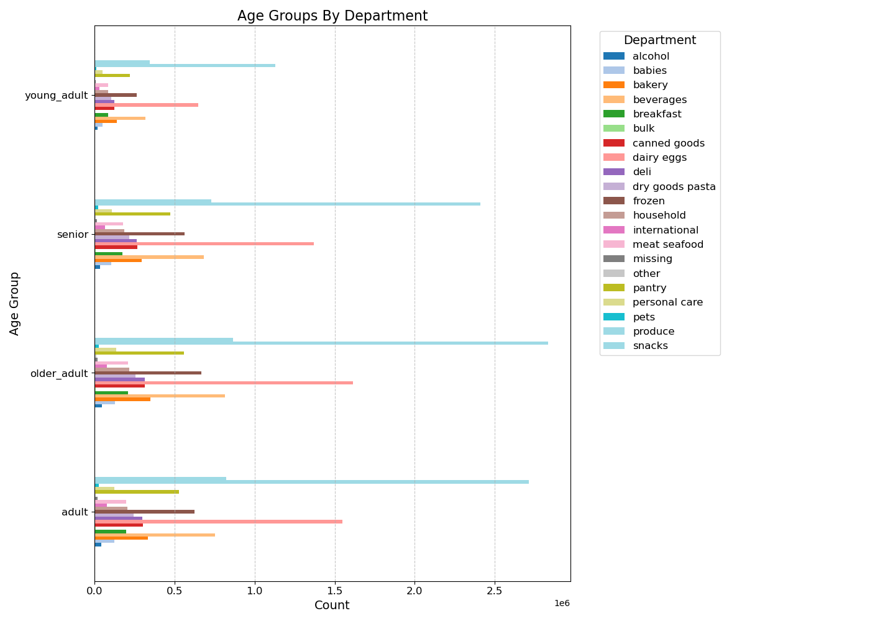
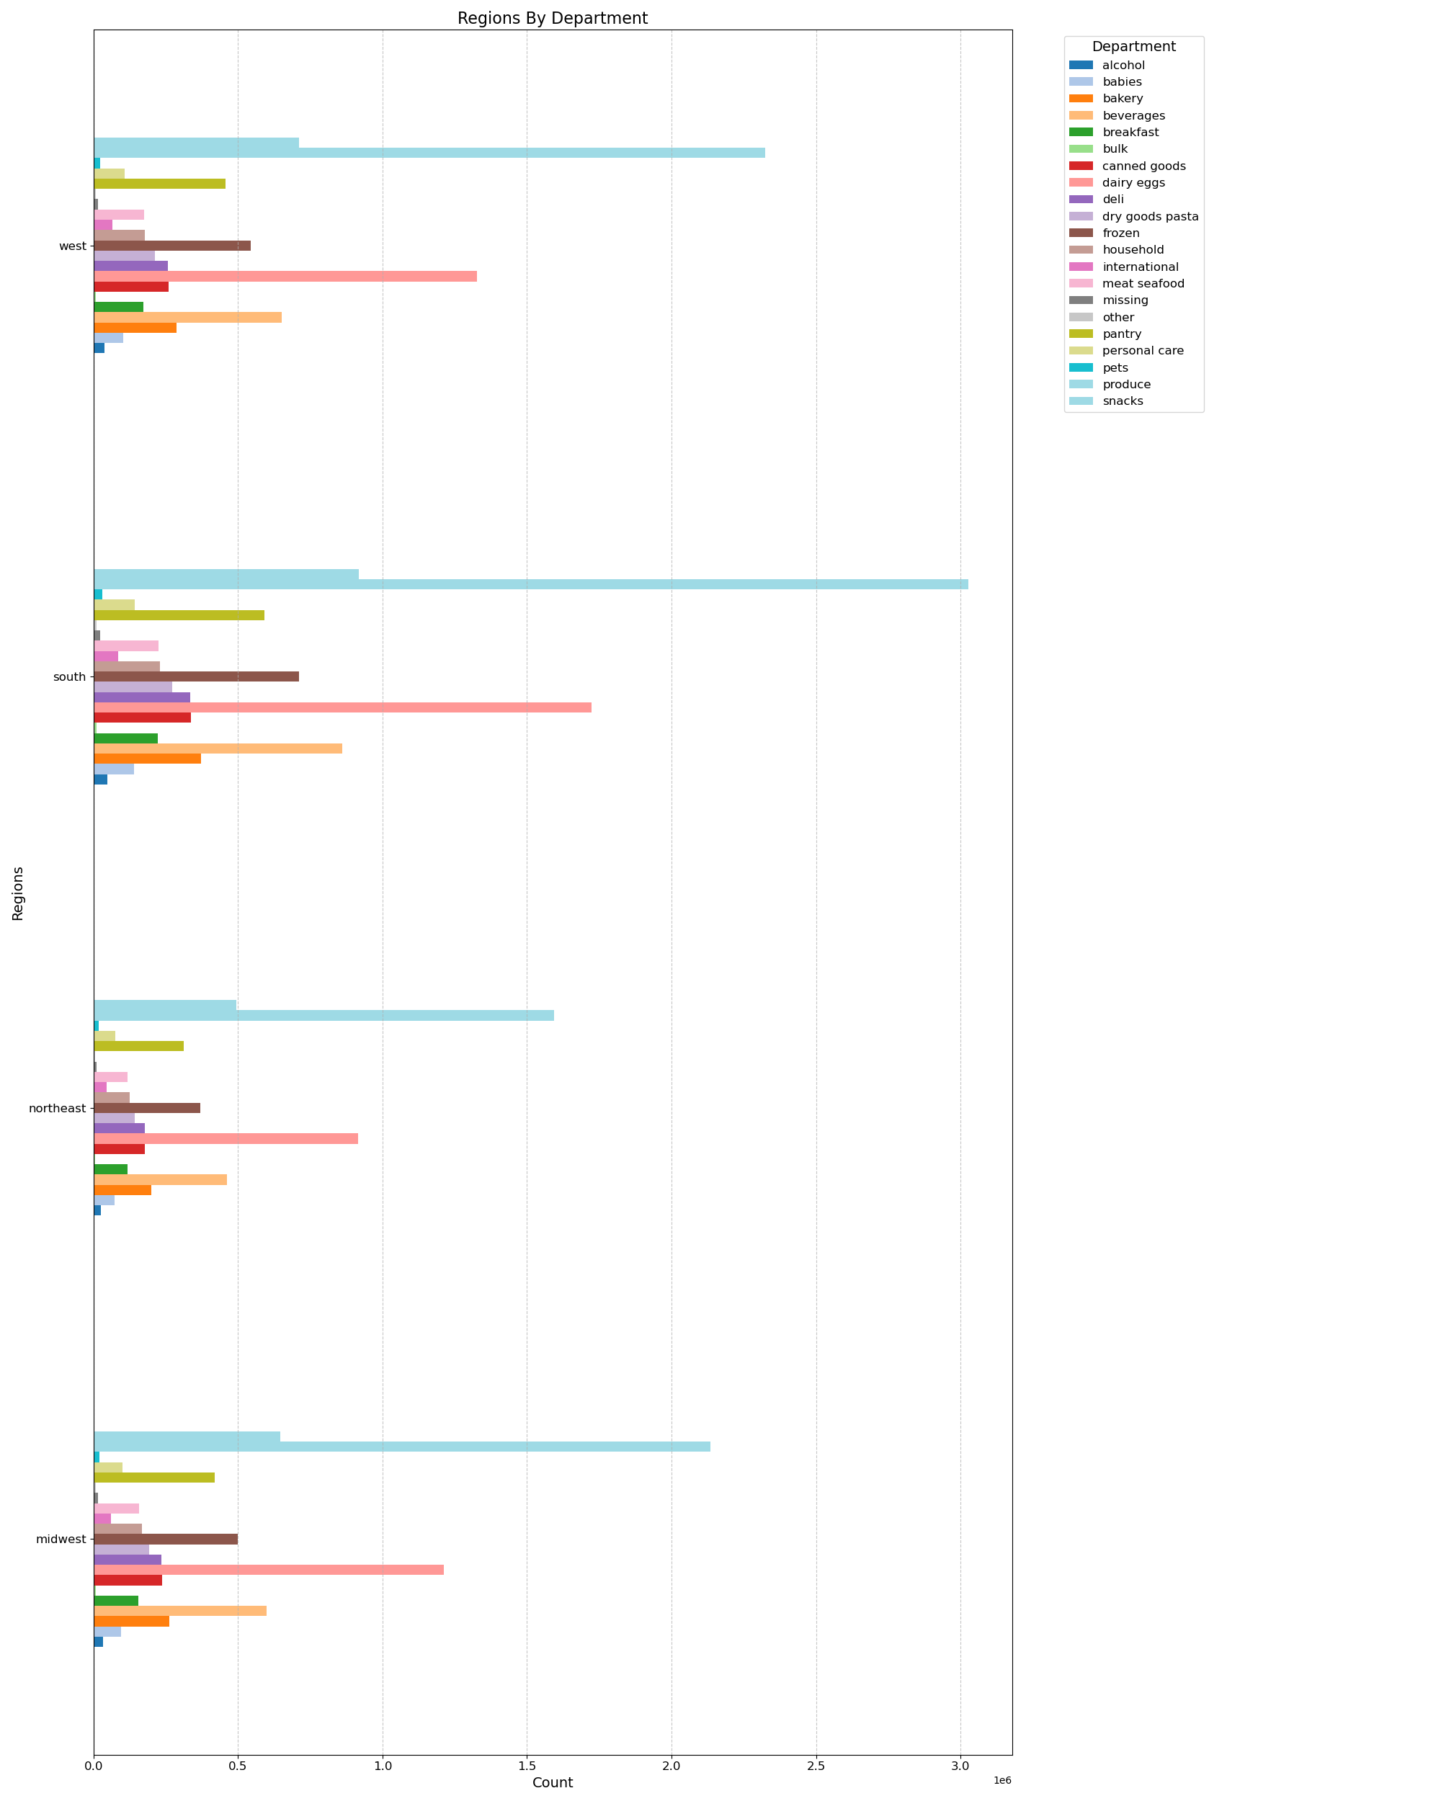
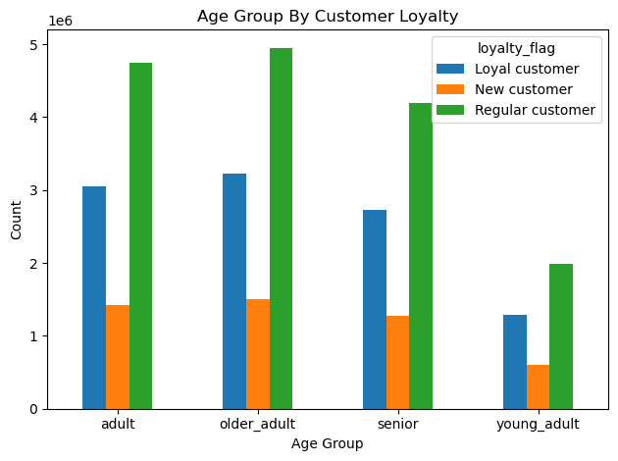
Based on the age group profile, we can see that the older adults (between 45-65) have the highest sales for both regular customers as well as loyal customers.
Looking at the Age groups by department, we can see that produce is the department across all age groups with the highest amount of sales, followed by dairy and eggs.
Department by Region also shows that the top 3 departments in terms of overall sales are produce, dairy eggs, and beverages.

When we review department sales by income groups, we still see produce as the department with the highest number of sales.
Looking at low income customers, we see that alcohol is the second highest department in terms of sales, compared to all other income groups where dairy and eggs are second.

7. Recommendations
 |  |  |  | Title page

Recommendations

In this tab you should include any recommendations you would made to Instcart in terms of their marketing strategy based on the questions posed in the brief. Every key question has been covered in the Tasks of the Exercises - here you need to add an item - a visualisation or table/crosstable that is showing the answer in the data, acompanied by a comment from you. Please, list the questions below and add the answer underneath.

Question | Answer
What days of the week and hours of the day are busiest? | Saturday and Sunday are the busiest days of the week with the largest order numbers between the hours of 10am to 3pm. The least busy day of the week is Wednesday early morning. A recommendation to Instacart would be to run advertising compaigns during off-hours, such as 12 AM to 5 AM and schedule more ads on Tuesdays and Wednesdays.

 |  | # | Day
 |  | 0 | Saturday
 |  | 1 | Sunday
 |  | 2 | Monday
 |  | 3 | Tuesday
 |  | 4 | Wednesday
 |  | 5 | Thursday
 |  | 6 | Friday

What times of the day do people spend the most money? | Prices appear to peak in the early morning between 4 AM and 5 AM with a second peak from 8 PM to 10 PM. Instacart should utilize those time to advertise specific products.

Are there certain types of products that are more popular than others? | The top 5 products are produce, dairy and eggs, snacks, beverages and frozen food. Therefore, Instacart should provide special offers on those categories to keep drawing customers' attention and activity.

What's the distribution amoung users in regards to their brand loyalty? | There are more regular customers than loyal customers. Therefore, Instacart should offer incentives to reward its regular customers and incentivize non-regular customers (loyal and new) to become regular customers.

Are there differences in ordering habits based on a customer's loyalty status? | Order spending habits do not appear to change between customer loyalty status. All loyalty status groups are primarily low-spenders with very very high spenders. Regular customers appear to have a higher number of high-spenders, but that number is negligible compared to the other groups. A recommendation would be to develop new incentives, such as bonus points or discounts based on amount spent to encourage more customers to spend more money with Instacart.

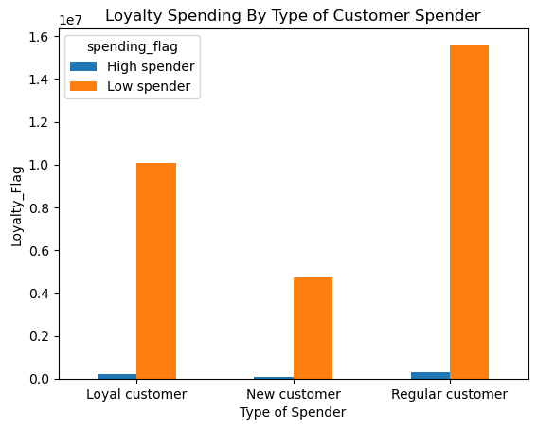

Are there differences in ordering habits based on a customer's region? | In every region, Instacart customers are mostly older adults and adults. The South region has the most customers in all age groups followed by the West, then the Midwest and lastly the Northeast. The majority of the customers buy mid-range products followed by low-range products and purchase high-range products the least in all four regions. Instacart should focus on advertising to the South; however, Instacart should focus more on customers in the West and the Midwest as those regions are not too far from the ordering habits of the customers in the South.
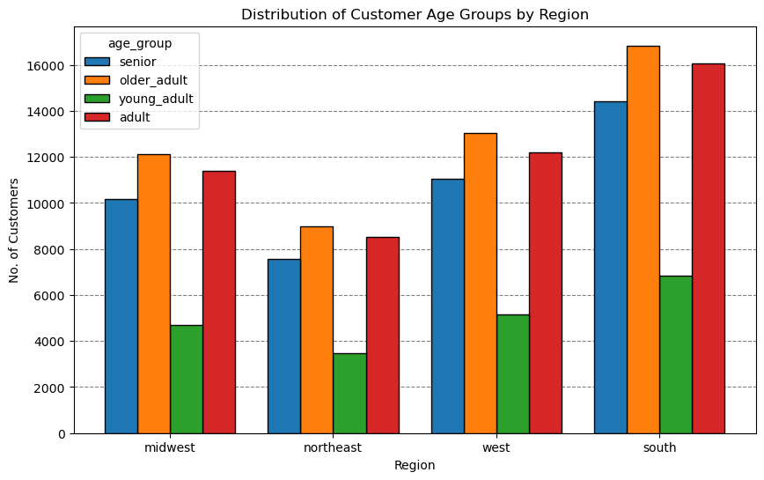
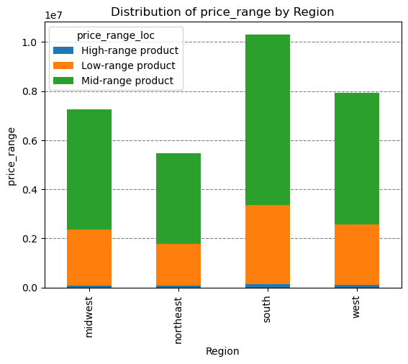

Is there a connection between age and family status in terms of ordering habits? | There is no specific correlation between age and family status when looking at ordering habits. Most of Instacarts frequent, non-frequent, and regular customers are married, followed by single people, divorced/widowed people, and finally people who live with their parents and siblings. However, there is a positive correlation between age and income. The scatterplot shows the relationship between between age and income of Instacart customers. There is a large concetration of customers across all ages earning up to 200,000 and customers who are 40 years and older are earning up to 600,000. So, it is possible that customers who are 40 years and older might spend more because of their higher income. There is no correlation betweem age and the number of dependents. Seniors are the third largest group of frequent customers after adults and older adults. Therefore, Instacart should offer Senior citizens special promotions in order to increase the ordering habits of Senior citizens. Also, offering special prices or discounts on products that young adults are interested in will increase young adults' spending activity as well.

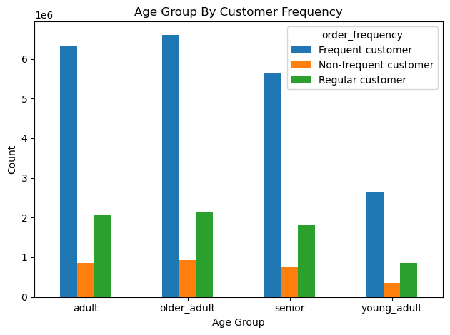

What differences can you find in ordering habits of different customer profiles? consider the price of orders, frequency of orders, products customers are ordering, and anything else you can think of. | Based on the age group profile, we can see that the older adults (between 45-65) have the highest sales for both regular customers as well as loyal customers. Looking at the Age groups by department, we can see that produce is the department across all age groups with the highest amount of sales, followed by dairy and eggs. Department by Region also shows that the top 3 departments in terms of overall sales are produce, dairy eggs, and beverages. When we review department sales by income groups, we still see produce as the department with the highest number of sales. Looking at low income customers, we see that alcohol is the second highest department in terms of sales, compared to all other income groups where dairy and eggs are second. Since customer spending is similiar across each age and income group, Instacart should survey their customers to obtain feedback on customer department preferences. Instacart should also create tailored marketing campaigns aimed at the top 10 department to customer interest in them high while awaiting the customer feedback. Since alcohol appears to be popular with low and middle income shoppers, target them with ad campaigns to increase revenue in that department.

